Print Page 1
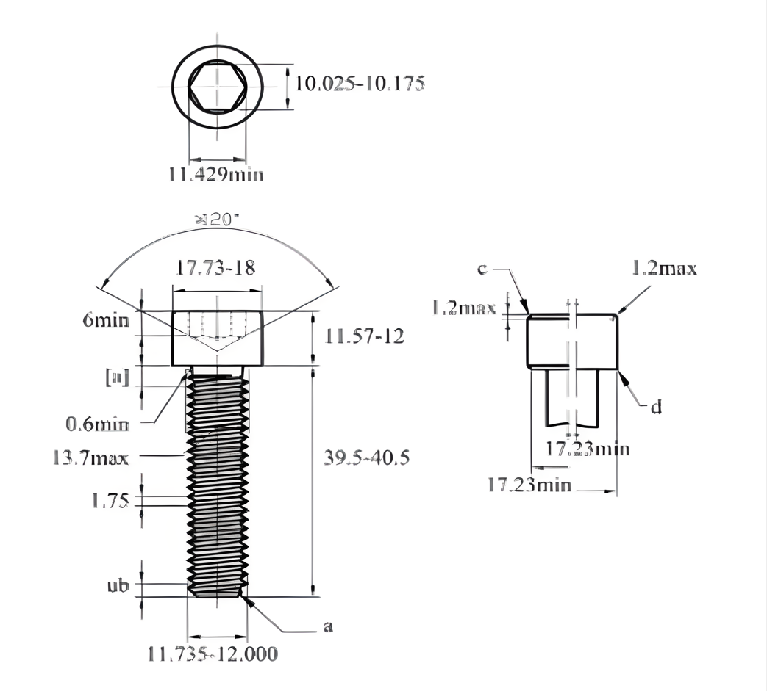

1

2
12
13
14
s

5
7
4

 | `
8
6

9
3
10

11

